Data
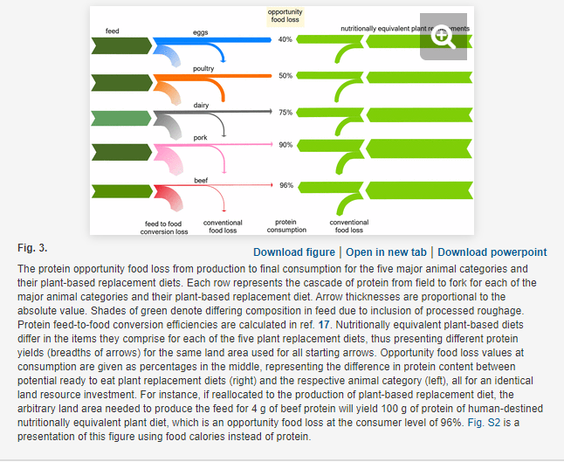
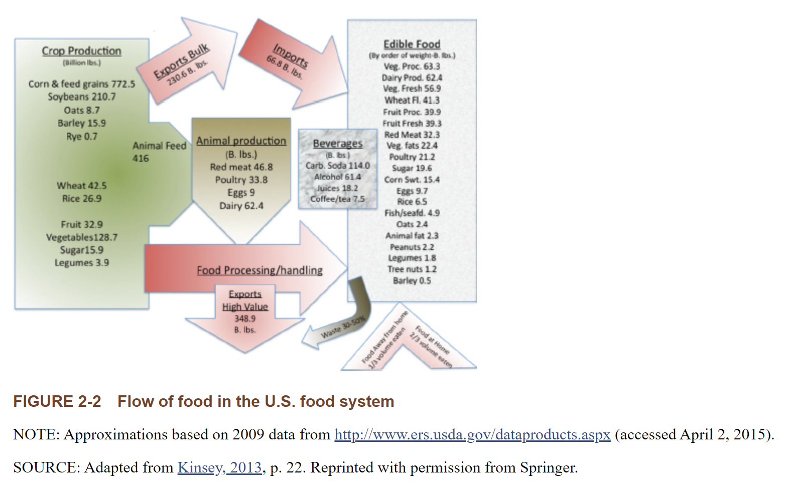
Product | Opportunity food loss (%) | Calculated ratio of plant-based protein output to animal protein output per land area | Billion Pounds of animal products produced | Weighted average ratio | Choose Region | Choose Year
Eggs | 40 | 1.7 | 0.06496 | 5.0888345558 | 上海 | 2020
Poultry | 50 | 2 | 0.02688
Dairy | 75 | 4 | 0.65184 | billion pounds to 10k ton
Pork | 90 | 10 | 0.16128 | 0.0224
Beef | 96 | 25 | 0.0112

